Introduction - INT
Introduction

1. Introduction
2. Usage

General information
Author |  | Rob van Os
Site |  | https://www.soc-cmm.com/
Contact |  | info [at] SOC-CMM.com
Version |  | SOC-CMM for CERT 1.0, advanced version
Date |  | February 12th, 2020
Community |  | https://www.soc-cmm.com/forum/
 |  | Special thanks to Kyle Villano for valuable input and Jeff Bollinger for inspiring the creation of the SOC-CMM for CERT
Background
The SOC-CMM is a capability maturity model that can be used to perform a self-assessment of your Computer Emergency Response Team (CERT) or Computer Security Incident Response Team (CSIRT). The model is based on review conducted on literature regarding CERT setup and existing CERT models as well as literature on specific elements within a CERT. This version of the SOC-CMM has a specific focus on CERT teams. All original SOC-CMM questions have been reviewed to determine if they are appropriate in CERT context. Many additions and enhancements have also been introduced. The SOC-CMM for CERT is based on the original SOC-CMM, version 2.1. Additionally, the following resources have been used to create this tool: - SANS Institute, incident handler's handbook - NIST Computer Security Incident Handling Guide - Crest Cyber Security Incident Response Guide - Security Incident Management Maturity Model (SIM3) - CSIRT social maturity handbook - NIST Cyber Security Framework - CMU/SEI Incident Management Capability Assessment If you have any questions or comments regarding the contents of this document, please use the above information to contact me. There is also a SOC-CMM community where you can post your questions or suggestions for improvement or extension of the SOC-CMM.

Purpose and intended audience
The purpose of the SOC-CMM for CERT is to gain insight into the strengths and weaknesses of the security incident response process. This enables the team to make informed decisions about which elements of the CERT require additional attention and/or budget. By regularly assessing the CERT for maturity and capability, progress can be monitored. Besides the primary purpose of performing an assessment of the CERT, the assessment can also be used for extensive discussions about the CERT and can thus provide valuable insights. This tool is intended for use by CERT and security managers, CERT team members, incident response leads and security consultants. Although the SOC-CMM for CERT has different capabilities, the assessment guidance provided in the CMU/SEI Incident Management Capability Assessment document on pages 14 to 16 provides a nice starting point for conducting assessments.

Navigation
Navigation through this tool is done using the navigation bar at the top of each page. Each of the numbered sections can be clicked to proceed directly to that section. Furthermore, the icons can be used to navigate through sections within a domain and between domains. The icons are as follows:

 | navigate to previous domain |  | navigate to previous section within the domain

 | navigate to index |  | navigate to next section within the domain

 | navigate to next domain |  | navigate directly to results

Assessment Model
The assessment model consists of 5 domains and 25 aspects. All domains are evaluated for maturity (blue), only technology and services are evaluated for both maturity and capability (purple)

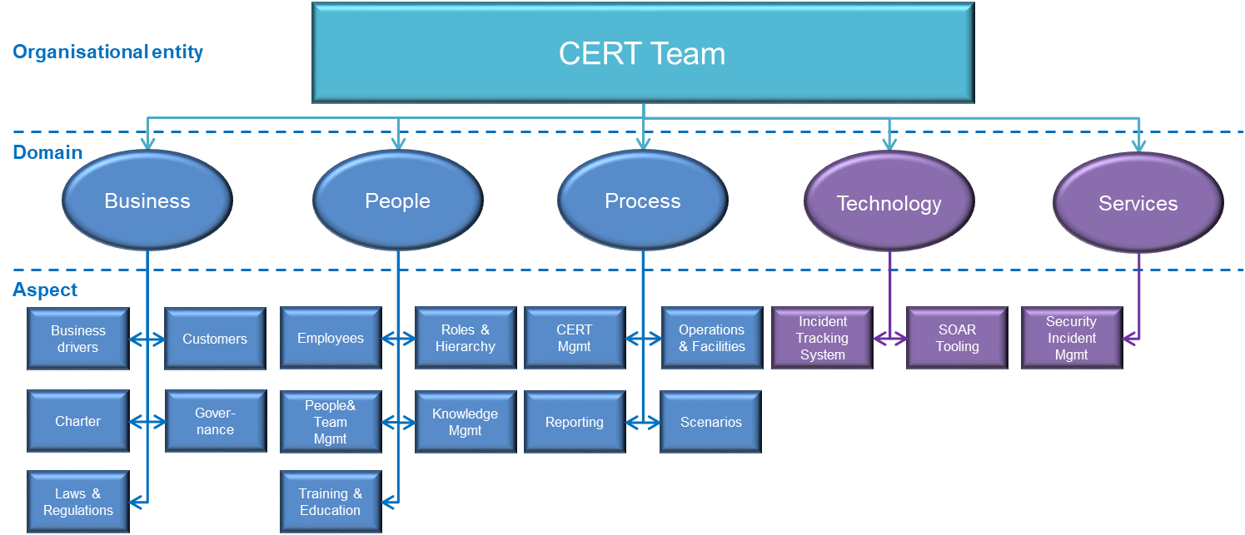

Maturity Levels
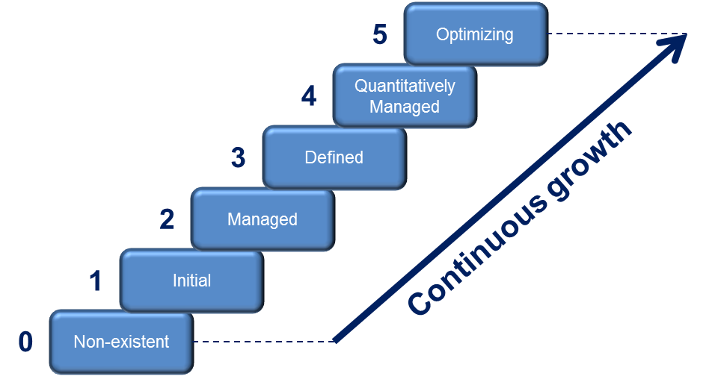 CMMI defines maturity as a means for an organization "to characterize its performance" for a specific entity (here: the CERT). The SOC-CMM for CERT calculates a maturity score using 6 maturity levels: - Level 0: non-existent - Level 1: initial - Level 2: managed - Level 3: defined - Level 4: quantitatively managed - Level 5: optimizing These maturity levels are measured across 5 domains: business, people, process, technology and services. The maturity levels as implemented in this tool are not staged with pre-requisites for each level. Instead, every element adds individually to the maturity score: a continuous maturity model.

Capability Levels
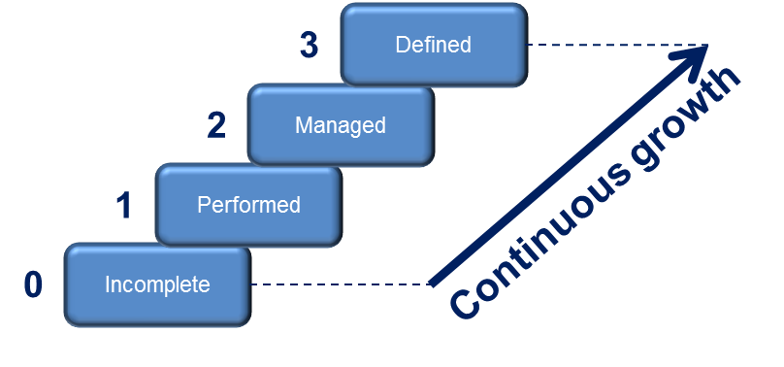 Capabilities are indicators of completeness. In essence, capabilities can support maturity. The SOC-CMM for CERT calculates a capability score using 4 capability levels, similar to CMMi: - Level 0: incomplete - Level 1: performed - Level 2: managed - Level 3: defined These capability levels have a strong technical focus and are measured across 2 domains: technology and services. Similar to maturity levels, progress to a higher capability level is continuous. There are no prerequisites for advancing to a higher level, thus the capability growth is continuous as well.

Disclaimer
The SOC-CMM for CERT is provided without warranty of any kind. The author of the document cannot assure its accuracy and is not liable for any cost as a result of decisions based on the output of this tool. The usage of this tool does not in any way entitle the user to support or consultancy. By using this tool, you agree to these conditions.

License
Copyright (C) 2020 - Rob van Os The SOC-CMM for CERT is part of the SOC-CMM. The SOC-CMM is free software: you can redistribute it and/or modify it under the terms of the GNU General Public License as published by the Free Software Foundation, either version 3 of the License, or (at your option) any later version. This program is distributed in the hope that it will be useful, but WITHOUT ANY WARRANTY; without even the implied warranty of MERCHANTABILITY or FITNESS FOR A PARTICULAR PURPOSE. See the GNU General Public License for more details. You should have received a copy of the GNU General Public License along with this program. If not, see <http://www.gnu.org/licenses/>.

Results - OVR
Results

1. Results
2. NIST CSF 1.1 Scoring

 | Maturity | Capability
1. Business Drivers | 0
2. Customers | 0
3. Charter | 0
4. Governance | 0
5. Privacy | 0
1. Employees | 0
2. Roles and Hierarchy | 0
3. People and Team Management | 0
4. Knowledge Management | 0
5. Training and Education | 0
1. CERT Management | 0
2. Operations and Facilities | 0
3. Reporting | 0
4. Scenarios | 0
1. Incident Tracking System | 0 | 0
2. SOAR Tooling | 0 | 0
1. Security Incident Management | 0 | 0
Domain |  | Aspect | Maturity Score | Maturity Target | Capability score | Capability target | In scope?
Business |  | 1. Business Drivers | 0
 |  | 2. Customers | 0
 |  | 3. Charter | 0
 |  | 4. Governance | 0
 |  | 5. Privacy | 0
 | overall | Business | 0 | 3 | N/A | N/A
People |  | 1. Employees | 0
 |  | 2. Roles and Hierarchy | 0
 |  | 3. People and Team Management | 0
 |  | 4. Knowledge Management | 0
 |  | 5. Training and Education | 0
 | overall | People | 0 | 3 | N/A | N/A
Process |  | 1. CERT Management | 0
 |  | 2. Operations and Facilities | 0
 |  | 3. Reporting | 0
 |  | 4. Scenarios | 0
 | overall | Process | 0 | 3 | N/A | N/A
Technology |  | 1. Incident Tracking System | 0 |  | 0 |  | Yes
 |  | 2. SOAR Tooling | 0 |  | 0 |  | Yes
 | overall | Technology | 0 | 3 | 0 | 2
Services |  | 1. Security Incident Management | 0 |  | 0
 | overall | Services | 0 | 3 | 0 | 2

 | Maturity score | Target maturity score
Business | 0 | 3
People | 0 | 3
Process | 0 | 3
Technology | 0 | 3
Services | 0 | 3
 | Capability score | Target capability score
Technology | 0 | 2
Services | 0 | 2

Results - CSF 1.1
Results

1. Results
2. NIST CSF 1.1 Scoring

 | Maturity | Capability
Asset Management (ID.AM) | 0 | 0
Business Environment (ID.BE) | 0 | 0
Governance (ID.GV) | 0 | 0
Risk Assessment (ID.RA) | 0 | 0
Risk Management Strategy (ID.RM) | 0 | 0
Access Control (PR.AC) | 0 | 0
Awareness and Training (PR.AT) | 0 | 0
Data Security (PR.DS) | 0 | 0
Information Protection Processes and Procedures (PR.IP) | 0 | 0
Maintenance (PR.MA) | 0 | 0
Protective Technology (PR.PT) | 0 | 0
Anomalies and Events (DE.AE) | 0 | 0
Security Continuous Monitoring (DE.CM) | 0 | 0
Detection Processes (DE.DP) | 0 | 0
Response Planning (RS.RP) | 0 | 0
Communications (RS.CO) | 0 | 0
Analysis (RS.AN) | 0 | 0
Mitigation (RS.MI) | 0 | 0
Improvements (RS.IM) | 0 | 0
Recovery Planning (RC.RP) | 0 | 0
Improvements (RC.IM) | 0 | 0
Communications (RC.CO) | 0 | 0
Domain |  | Aspect | Maturity Score | Capability score
Identify |  | Asset Management (ID.AM) | 0 | N/A
 |  | Business Environment (ID.BE) | 0 | N/A
 |  | Governance (ID.GV) | 0 | N/A
 |  | Risk Assessment (ID.RA) | 0 | N/A
 |  | Risk Management Strategy (ID.RM) | 0 | N/A
 |  | Supply Chain Risk Management (ID.SC) | N/A | N/A
 | overall | Identify | 0 | N/A
Protect |  | Access Control (PR.AC) | 0 | 0
 |  | Awareness and Training (PR.AT) | 0 | 0
 |  | Data Security (PR.DS) | 0 | N/A
 |  | Information Protection Processes and Procedures (PR.IP) | 0 | 0
 |  | Maintenance (PR.MA) | 0 | N/A
 |  | Protective Technology (PR.PT) | 0 | 0
 | overall | Protect | 0 | 0
Detect |  | Anomalies and Events (DE.AE) | N/A | N/A
 |  | Security Continuous Monitoring (DE.CM) | N/A | N/A
 |  | Detection Processes (DE.DP) | N/A | N/A
 | overall | Detect | N/A | N/A
Respond |  | Response Planning (RS.RP) | 0 | 0
 |  | Communications (RS.CO) | 0 | 0
 |  | Analysis (RS.AN) | 0 | 0
 |  | Mitigation (RS.MI) | 0 | 0
 |  | Improvements (RS.IM) | 0 | 0
 | overall | Respond | 0 | 0
Recover |  | Recovery Planning (RC.RP) | N/A | N/A
 |  | Improvements (RC.IM) | N/A | N/A
 |  | Communications (RC.CO) | N/A | N/A
 | overall | Recover | N/A | N/A

 | Maturity score
Identify | 0
Protect | 0
Detect | 0
Respond | 0
Recover | 0
 | Capability score
Identify | 0
Protect | 0
Detect | 0
Respond | 0
Recover | 0

